Hoja1
 |  |  |  |  | Altura | 116.26

 |  | v3(0,0,42.5)

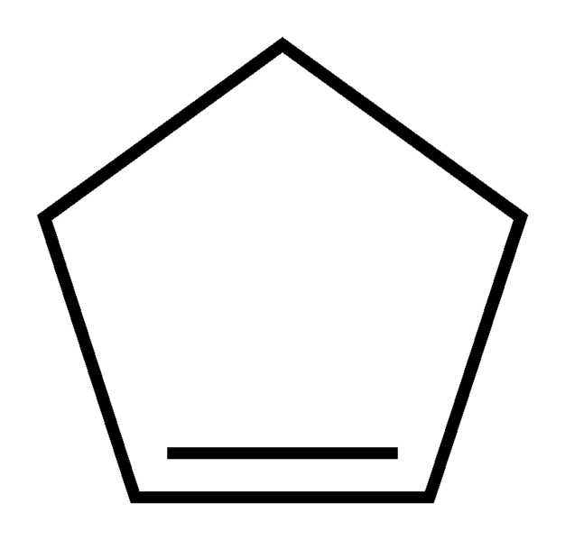

 |  |  |  |  |  | v6(-25,111.26,34.4) |  | V10(25,111.26,34.4)

 |  |  |  | v2(40.45,0,13.1)
v4(-40.45,0,13.1)
 |  | +

 |  |  |  |  | v7(-40.45,111.26,-13.1) |  |  |  | v9(40.45,111.26,-13.1)

 |  |  | v1 (25,0,-34.4)
 | v5(-25,0,-34.4)

 |  | 15.45
 |  | 13.1 |  |  |  |  | v8(0,111.26,-42.5)

